FBR_001
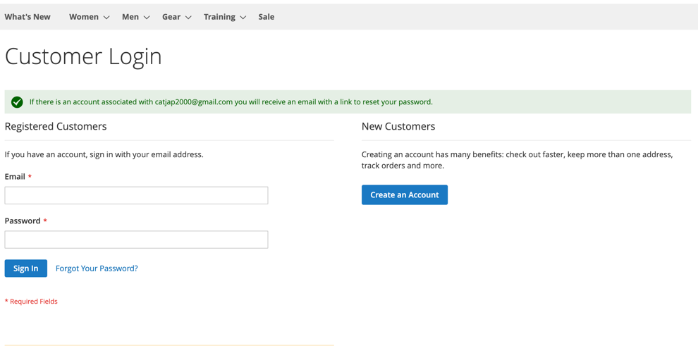
BUG REPORT
ID Number |  | FBR_001
Name |  | Checking "Forgot your password?" option - no reset password email
Reporter |  | Ekaterina Pkhaladze
Submit Date |  | 2022-11-13
Summary |  | After checking functionality of "Forgot your password?" on the screen appears the message about sending an email with reset password. In fact, the mail was not received
URL |  | https://magento.softwaretestingboard.com/customer/account/login/referer/aHR0cHM6Ly9tYWdlbnRvLnNvZnR3YXJldGVzdGluZ2JvYXJkLmNvbS9jdXN0b21lci9hY2NvdW50L2luZGV4Lw%2C%2C/
Screenshot
Platform |  | Mac
Operating System |  | mac OS Ventura 13.0.1
Browser |  | Chrome, Version 107.0.5304.87 (Official Build) (arm64)
Severity |  | Low
Assigned to
Priority

Description
After checking functionality of "Forgot your password?" on the screen appears the message about sending an email with reset password. In fact, the mail was not received

Steps to reproduce
1 | Go to CUSTOMER LOGIN page
2 | click on "Forget your password?"
3 | enter valid and already registered email address (in my case it is: catjap2000@gmail.com)
4 | Enter CAPTCHA
5 | Click on "reset my password"
6 | The message "If there is an account associated with catjap2000@gmail.com you will receive an email with a link to reset your password." appears on the screen
7 | Check the mailbox

Expected Result
The email with the reset password should be received

Actual Result
The system doesn't sent the reset password email

Notes

FBR_002

BUG REPORT
ID Number |  | FBR_002
Name |  | Added 4 different LUMA tees to shopping card, NO DISCOUNT as advertised, the total is for 4 tees
Reporter |  | Ekaterina Pkhaladze
Submit Date |  | 2022-11-19
Summary |  | On the main page of the site there is an advertisement - Buy 3 Luma tees, get 4th for free. Checked it, added 4 different Luma tees to cart, but there is no discount. The subtotal of the cart is for 4 tees
URL |  | https://magento.softwaretestingboard.com/promotions/tees-all.html
Screenshot
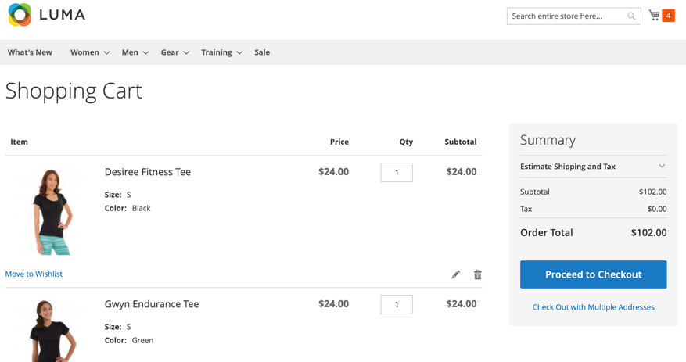
Platform |  | Mac
Operating System |  | mac OS Ventura 13.0.1
Browser |  | Chrome, Version 107.0.5304.87 (Official Build) (arm64)
Severity |  | Medium
Assigned to
Priority

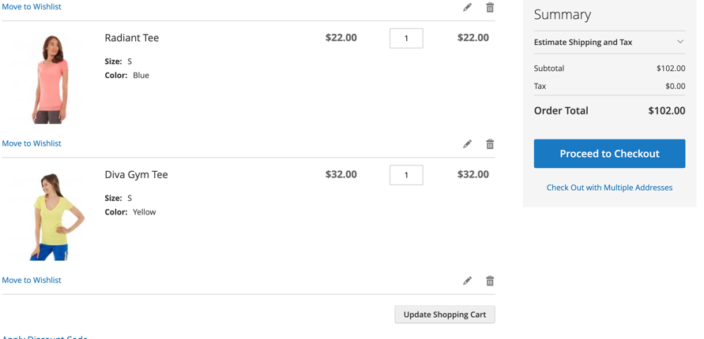
Description
On the main page of the site there is an advertisement - Buy 3 Luma tees, get 4th for free. Checked it, added 4 different Luma tees to cart, but there is no discount. The subtotal of the cart is for 4 tees

Steps to reproduce
1 | Go to URL (Main page)
2 | Click on Advertisement "Buy 3 LUMA tees get a 4th free"
3 | Choose 4 different tees and add them to cart (I choosed: "Desiree Fitness Tee" , size S, color Black, price $24, Q-ty: 1 + "Gwyn Endurance Tee", size S, color Green, proce $24, q-ty: 1 + "Radiant Tee", size S, color Blue, price $22, q-ty:1 + "Diva Gym Tee", color Yellow, price $32, q-ty:1)
4 | Go to the cart and check the total price.
5 | Click on "Proceed to Checkout"
6 | Fill the obligatory fields of the shipping address form
7 | Choose Shipping Method "$0.00 - Table Rate - Best way"
8 | Click on "Next" button
9 | Check the total price.
10 | Click on Place Order
11 | Click on Order Number

Expected Result
The price should be for 3 tees (Total: $80 or $78 or $70)

Actual Result
The total price in cart is for 4 tees $ 102 (24+24+22+32)

Notes
As I don't know on wich step should change the price, I proceeded to the end of order, checked all steps of ordering the item

FBR_003
BUG REPORT
ID Number |  | FBR_003
Name |  | Added 2 of one kind + 2 other similar LUMA tees to shopping card, NO DISCOUNT as advertised, the total is for 4 tees
Reporter |  | Ekaterina Pkhaladze
Submit Date |  | 2022-11-19
Summary |  | On the main page of the site there is an advertisement - Buy 3 Luma tees, get 4th for free. Checked it, added 4 similar Luma tees to cart, but there is no discount. The subtotal of the cart is for 4 tees
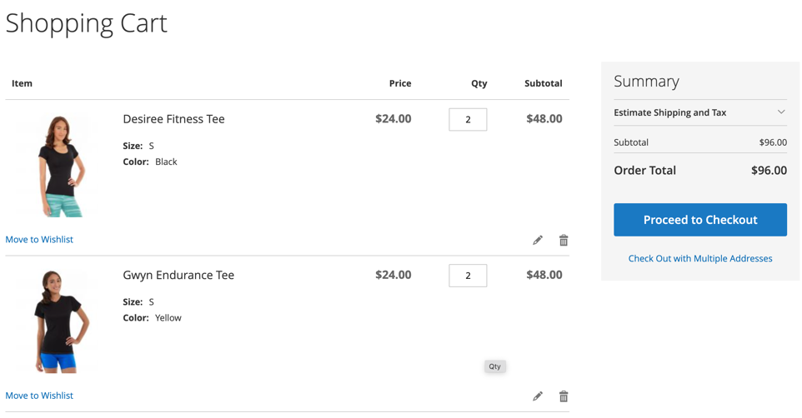
URL |  | https://magento.softwaretestingboard.com/promotions/tees-all.html
Screenshot
Platform |  | Mac
Operating System |  | mac OS Ventura 13.0.1
Browser |  | Chrome, Version 107.0.5304.87 (Official Build) (arm64)
Severity |  | Medium
Assigned to
Priority

Description
On the main page of the site there is an advertisement - Buy 3 Luma tees, get 4th for free. Checked it, added 2 Radiant tees and 2 Gwyn Endurance tees to cart, but there is no discount. The subtotal of the cart is for 4 tees

Steps to reproduce
1 | Go to URL (Main page)
2 | Click on Advertisement "Buy 3 LUMA tees get a 4th free"
3 | Choose 2 Radiant tees, color Blue, Size S, Price: $22 and 2 Gwyn Endurance tees, color Yellow, size S, Price: $24, and add them to cart
4 | Go to the cart and check the total price.
5 | Click on "Proceed to Checkout"
6 | Fill the obligatory fields of the shipping address form
7 | Choose Shipping Method "$0.00 - Table Rate - Best way"
8 | Click on "Next" button
9 | Check the total price.
10 | Click on Place Order
11 | Click on Order Number

Expected Result
The price should be for 3 tees (Total: $68 or $70)

Actual Result
The total price in cart is for 4 tees $ 92 ((24*2)+(22*2))

Notes
As I don't know on wich step should change the price, I proceeded to the end of order, checked all steps of ordering the item

FBR_004
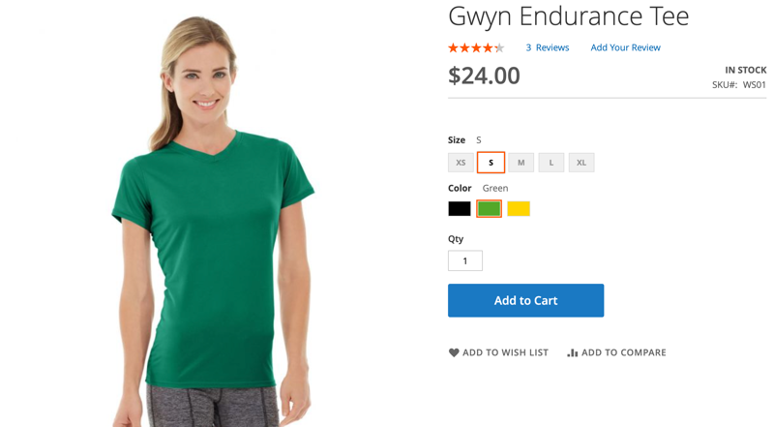
BUG REPORT
ID Number |  | FBR_004
Name |  | The color of tee on the picture in the shopping cart doesn't match the chosen color
Reporter |  | Ekaterina Pkhaladze
Submit Date |  | 2022-11-20
Summary |  | On the page of Tees I choosed the "Gwyn Endurance Tee" in Size S, color Green and added it to a cart. The color of tee on the picture was Green. In the Cart, the color of tee on the picture is Black.
URL |  | https://magento.softwaretestingboard.com/gwyn-endurance-tee.html
Screenshot
Platform |  | Mac
Operating System |  | mac OS Ventura 13.0.1
Browser |  | Chrome, Version 107.0.5304.87 (Official Build) (arm64)
Severity |  | Low
Assigned to
Priority

Description
On the page of Tees I choosed the "Gwyn Endurance Tee" in Size S, color Green and added it to a cart. The color of tee on the picture was Green. In the Cart, the color of tee on the picture is Black.

Steps to reproduce
1 | Go to URL (Gwyn Endurance Tee)
2 | Choose size S and color GREEN
3 | Click "Add to Cart" button
4 | Go to the cart
5 | Check the color of tee on the picture

Expected Result
In the Cart the color of "Gwin Endurance Tee" on the picture should be Green

Actual Result
In the cart the color of Tee on the picture is black

Notes

FBR_005
BUG REPORT
ID Number |  | FBR_005
Name |  | SEARCH TERMS - Search results for: 'Backpack'
Reporter |  | Ekaterina Pkhaladze
Submit Date |  | 2022-11-22
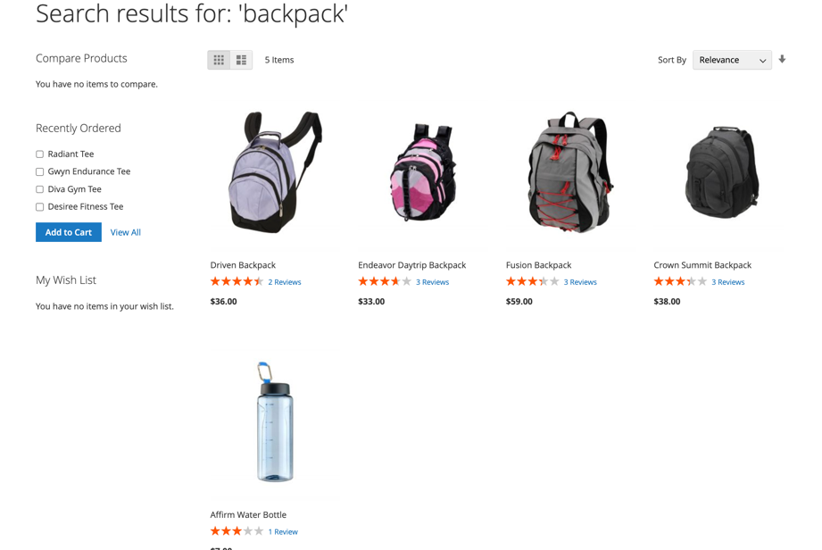
Summary |  | Checking the Search result for "Backpack" from "Search Terms", the search result is 4 Backpacks and 1 bottle for water
URL |  | https://magento.softwaretestingboard.com/
Screenshot
Platform |  | Mac
Operating System |  | mac OS Ventura 13.0.1
Browser |  | Chrome, Version 107.0.5304.87 (Official Build) (arm64)
Severity |  | Medium
Assigned to
Priority

Description
Checking the Search result for "Backpack" from "Search Terms", the search result is 4 Backpacks and 1 bottle for water

Steps to reproduce
1 | Go to URL (Main page)
2 | Scroll down and click on "Search Terms"
3 | Choose from the list the search option "backpack" and click on it
4 | Check the result

Expected Result
Only available backpacks should be shown in the search result

Actual Result
Actually there are shown 4 backpacks and 1 water bottle

FBR_006
BUG REPORT
ID Number |  | FBR_006
Name |  | SEARCH TERMS - Search results for: 'coat'
Reporter |  | Ekaterina Pkhaladze
Submit Date |  | 2022-11-22
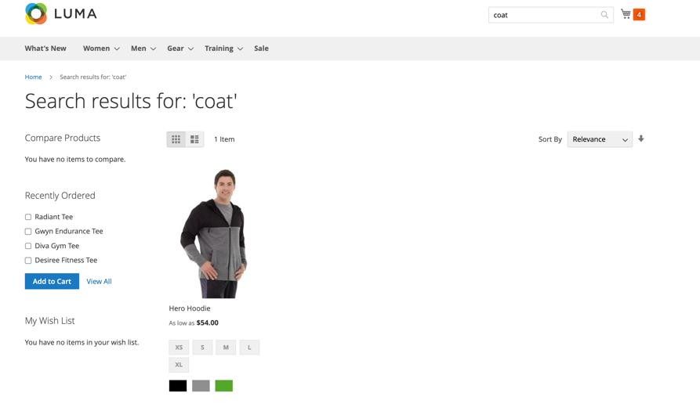
Summary |  | Checking the Search result for "Coat" from "Search Terms", the search result is 1 hoodie and no coat
URL |  | https://magento.softwaretestingboard.com/
Screenshot
Platform |  | Mac
Operating System |  | mac OS Ventura 13.0.1
Browser |  | Chrome, Version 107.0.5304.87 (Official Build) (arm64)
Severity |  | Medium
Assigned to
Priority |  | High

Description
Checking the Search result for "Coat" from "Search Terms", the search result is 1 hoodie and no coat

Steps to reproduce
1 | Go to URL (Main page)
2 | Scroll down and click on "Search Terms"
3 | Choose from the list the search option "Coat" and click on it
4 | Check the result

Expected Result
Only available coats should be shown in the search result

Actual Result
Actually there is shown only 1 hoodie, no coats

Notes

FBR_007
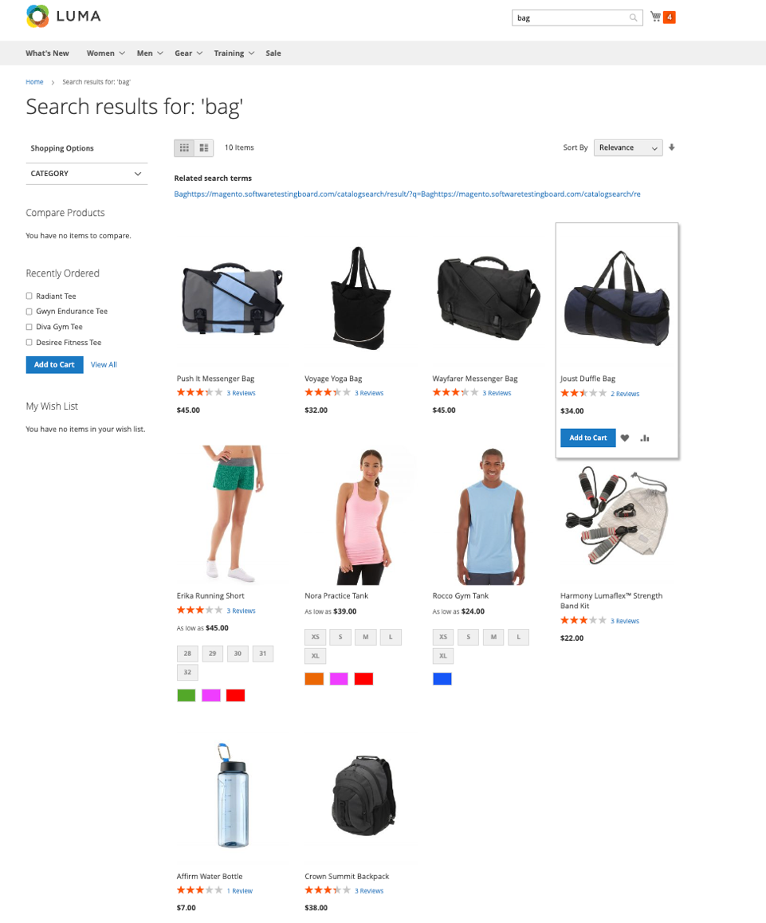
BUG REPORT
ID Number |  | FBR_007
Name |  | SEARCH TERMS - Search results for: 'bag'
Reporter |  | Ekaterina Pkhaladze
Submit Date |  | 2022-11-22
Summary |  | Checking the Search result for "Bag" from "Search Terms", the search result is 4 Bags, 1 Backpack and 5 other items
URL |  | https://magento.softwaretestingboard.com/
Screenshot
Platform |  | Mac
Operating System |  | mac OS Ventura 13.0.1
Browser |  | Chrome, Version 107.0.5304.87 (Official Build) (arm64)
Severity |  | Medium
Assigned to
Priority |  | High

Description
Checking the Search result for "Bag" from "Search Terms", the search result is 4 Bags, 1 Backpack and 5 other items

Steps to reproduce
1 | Go to URL (Main page)
2 | Scroll down and click on "Search Terms"
3 | Choose from the list the search option "Bag" and click on it
4 | Check the result

Expected Result
Only available bags should be shown in the search result

Actual Result
The search result is 4 Bags, 1 Backpack and 5 other items

Notes

FBR_008
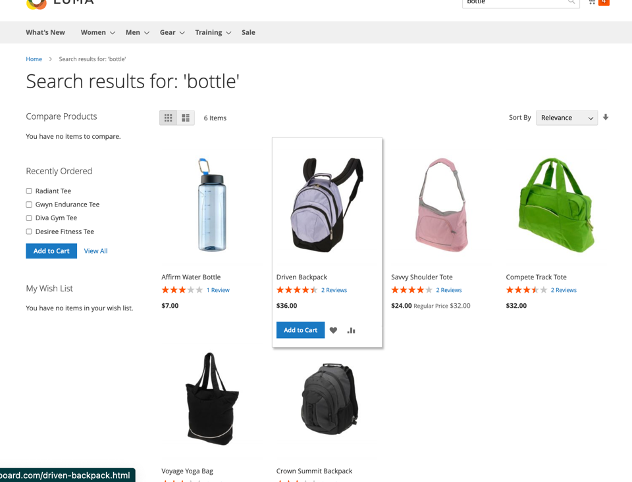
BUG REPORT
ID Number |  | FBR_008
Name |  | SEARCH TERMS - Search results for: 'bottle'
Reporter |  | Ekaterina Pkhaladze
Submit Date |  | 2022-11-22
Summary |  | Checking the Search result for "Bottle" from "Search Terms", the search result is 1 bottle and 5 bags
URL |  | https://magento.softwaretestingboard.com/
Screenshot
Platform |  | Mac
Operating System |  | mac OS Ventura 13.0.1
Browser |  | Chrome, Version 107.0.5304.87 (Official Build) (arm64)
Severity |  | Medium
Assigned to
Priority |  | High

Description
Checking the Search result for "Bottle" from "Search Terms", the search result is 1 bottle and 5 bags

Steps to reproduce
1 | Go to URL (Main page)
2 | Scroll down and click on "Search Terms"
3 | Choose from the list the search option "Bottle" and click on it
4 | Check the result

Expected Result
Only available bottles should be shown in the search result

Actual Result
The search result is 1 bottle and 5 bags

Notes

FBR_009
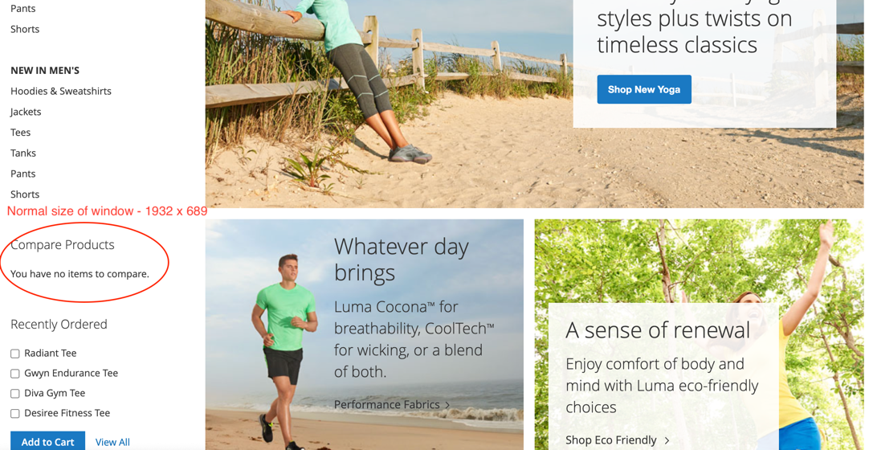
BUG REPORT
ID Number |  | FBR_009
Name |  | Reducing screen resolution on "What's new" page
Reporter |  | Ekaterina Pkhaladze
Submit Date |  | 2022-11-23
Summary |  | Checking the page "What's new" - when reducing resolution on 767 X 689 pixels the "Compare Products" option dissapears.
URL |  | https://magento.softwaretestingboard.com/what-is-new.html
Screenshot
Platform |  | Mac
Operating System |  | mac OS Ventura 13.0.1
Browser |  | Chrome, Version 107.0.5304.87 (Official Build) (arm64)
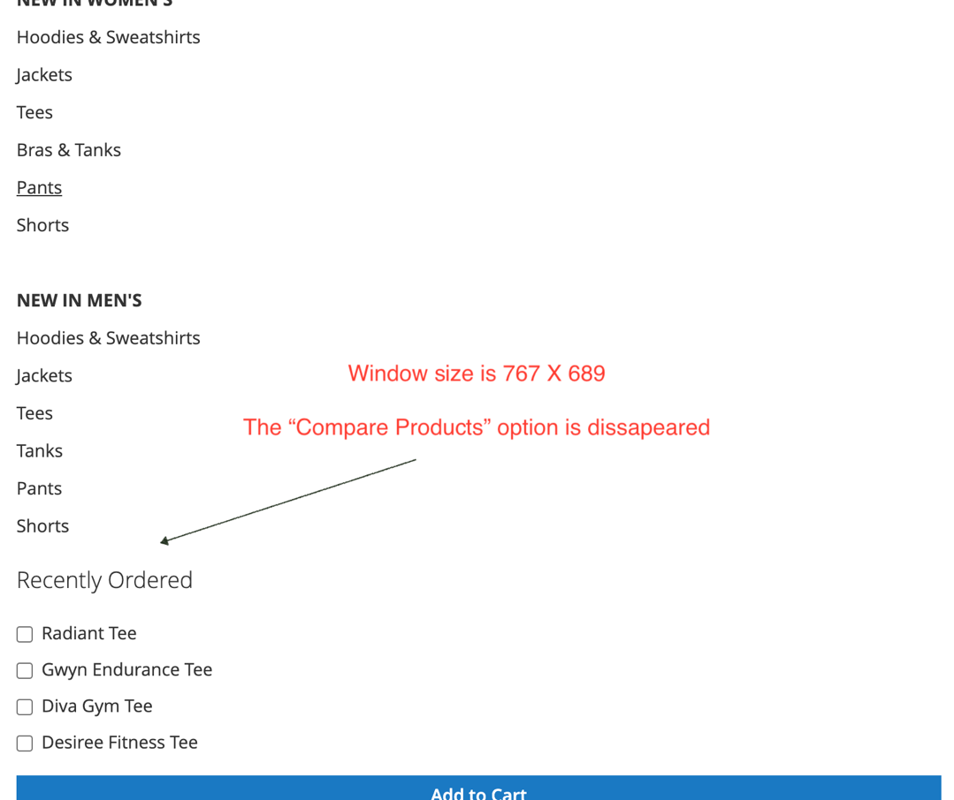
Severity |  | Medium
Assigned to
Priority

Description
Checking the page "What's new" - when reducing resolution on 767 X 689 pixels the "Compare Products" option dissapears.

Steps to reproduce
1 | Go to URL (Main page)
2 | Reduce the screen's resolution to 767 x 689 pixels or less
3 | Check the "Compare products" option's transformation and location on site

Expected Result
The "Compare Products" option should be visible

Actual Result
The "Compare Products" option dissapears.

Notes

FBR_010
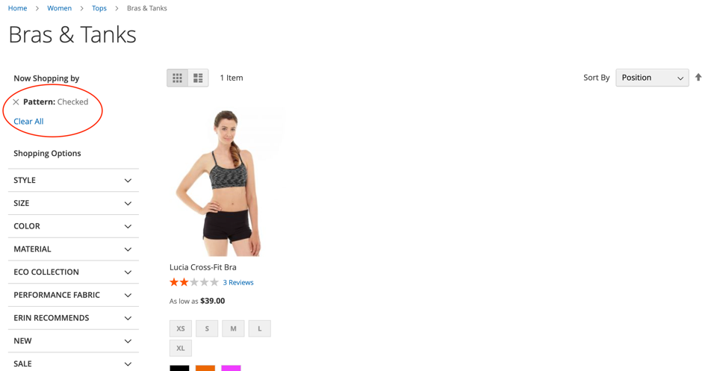
BUG REPORT
ID Number |  | FBR_010
Name |  | Pattern of bra is not Checked
Reporter |  | Ekaterina Pkhaladze
Submit Date |  | 2022-11-24
Summary |  | Checking the Filter option on product page. The page is "Bras & Tanks", the filter is - Pattern. Choosed the pattern "checked", the search result is 1 tank, but no checked pattern
URL |  | https://magento.softwaretestingboard.com/women/tops-women/tanks-women.html
Screenshot
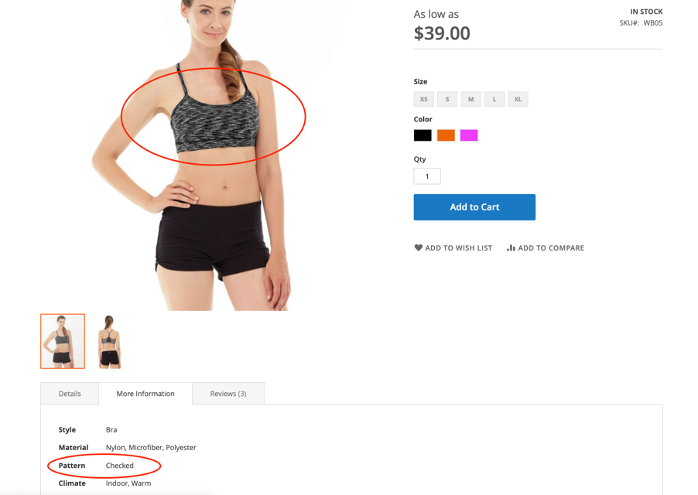
Platform |  | Mac
Operating System |  | mac OS Ventura 13.0.1
Browser |  | Chrome, Version 107.0.5304.87 (Official Build) (arm64)
Severity |  | Medium
Assigned to
Priority

Description
Checking the Filter option on product page. The page is "Bras & Tanks", the filter is - Pattern. Choosed the pattern "checked", the search result is 1 tank, but no checked pattern
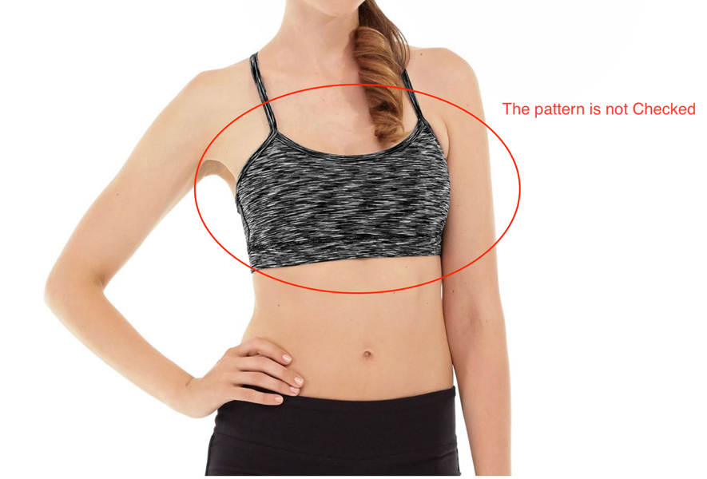
Steps to reproduce
1 | Go to URL (page "Bras & Tanks")
2 | Go to Filter / Pattern option and choose pattern "Checked"
3 | Check the results

Expected Result
all products in the search result (all bras and tanks) should be with checked pattern

Actual Result
the search result is 1 tank, which is not with checked pattern

Notes

FBR_011
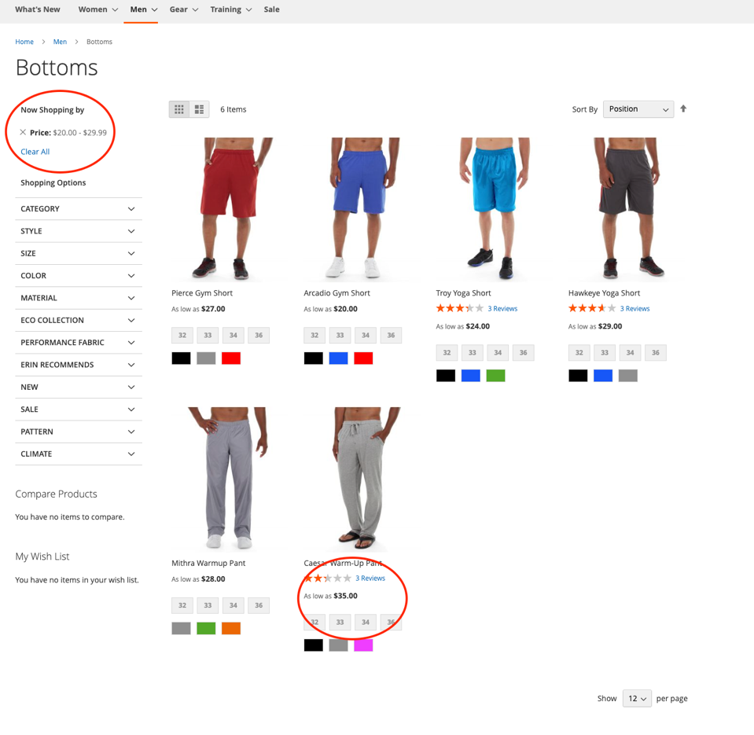
BUG REPORT
ID Number |  | FBR_011
Name |  | "SHOPPING OPTIONS", page "Men / Bottoms" - price filter check
Reporter |  | Ekaterina Pkhaladze
Submit Date |  | 2022-11-25
Summary |  | Checking the Filter option on product page. The page is "Men - Bottoms", the filter is - Price. The chosen range is $20.00 - $29.99. The shown result concluds 1 item over range ($35)
URL |  | https://magento.softwaretestingboard.com/women/tops-women/tanks-women.html
Screenshot
Platform |  | Mac
Operating System |  | mac OS Ventura 13.0.1
Browser |  | Chrome, Version 107.0.5304.87 (Official Build) (arm64)
Severity |  | Medium
Assigned to
Priority

Description
Checking the Filter option on product page. The page is "Men - Bottoms", the filter is - Price. The chosen range is $20.00 - $29.99. The shown result concluds 1 item over range ($35)

Steps to reproduce
1 | Go to URL (page "Bras & Tanks")
2 | Go to "Shopping Options", choose "Price" filter
3 | Choose filter range: $20.00 - $29.99
4 | Check the result

Expected Result
All filtered pants should be in price range between $20 & $29.99

Actual Result
1 pant is $35

Notes

FBR_012
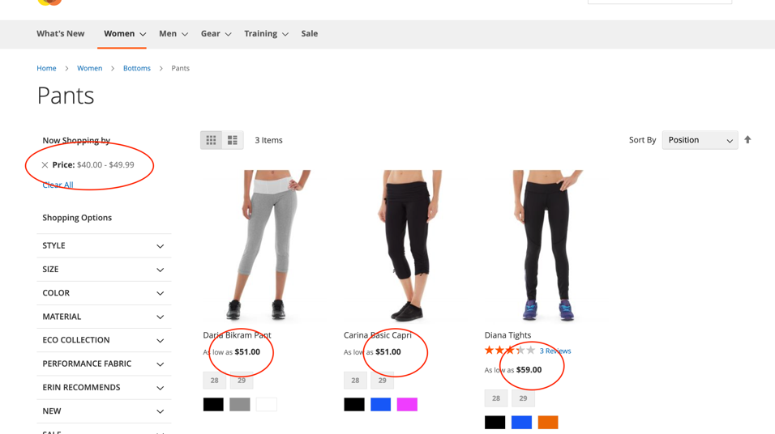
BUG REPORT
ID Number |  | FBR_012
Name |  | "SHOPPING OPTIONS", page "Women / Bottoms / pants" - price filter check
Reporter |  | Ekaterina Pkhaladze
Submit Date |  | 2022-11-25
Summary |  | Checking the Filter option on product page. The page is "Women - Bottoms - Pants", the filter is - Price. The chosen range is $40.00 - $49.99. The shown results are over range ($51, $51 and $59)
URL |  | https://magento.softwaretestingboard.com/women/tops-women/tanks-women.html
Screenshot
Platform |  | Mac
Operating System |  | mac OS Ventura 13.0.1
Browser |  | Chrome, Version 107.0.5304.87 (Official Build) (arm64)
Severity |  | Medium
Assigned to
Priority

Description
Checking the Filter option on product page. The page is "Women - Bottoms - Pants", the filter is - Price. The chosen range is $40.00 - $49.99. The shown results are over range ($51, $51 and $59)

Steps to reproduce
1 | Go to URL (page "Bras & Tanks")
2 | Go to "Shopping Options", choose "Price" filter
3 | Choose filter range: $40.00 - $49.99
4 | Check the result

Expected Result
All filtered pants should be in price range between $40 & $49.99

Actual Result
The shown results are over range ($51, $51 and $59)

Notes

FBR_013
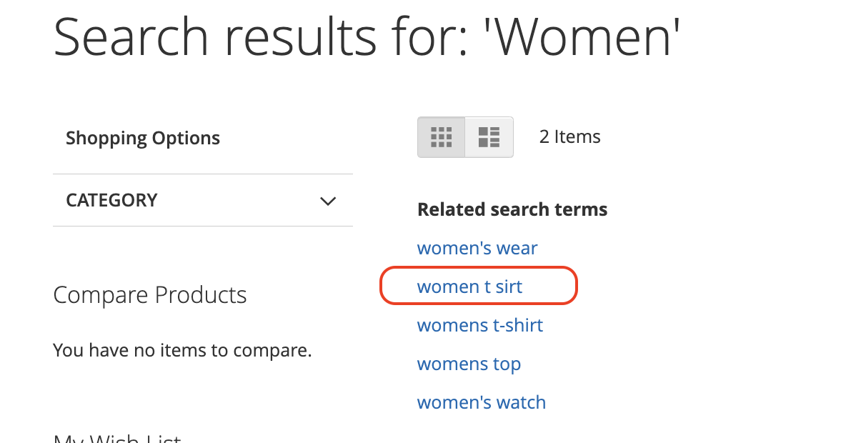
BUG REPORT
ID Number |  | FBR_013 | _
Name |  | "Search results for 'Women' - wrong spelling - women t sirt
Reporter |  | Ekaterina Pkhaladze
Submit Date |  | 2022-11-25
Summary |  | Checking the "Search" option on main page. Result gives some tags and there are errors in spelling - " women t sirt" insteat of "women's t-shirt"
URL |  | https://magento.softwaretestingboard.com/catalogsearch/result/?q=women
Screenshot
Platform |  | Mac
Operating System |  | mac OS Ventura 13.0.1
Browser |  | Chrome, Version 107.0.5304.87 (Official Build) (arm64)
Severity |  | low
Assigned to
Priority

Description
"Checking the ""Search"" option on main page. Result gives some tags and there are errors in spelling - " women t sirt " insteat of ""women's t-shirt"" "

Steps to reproduce
1 | Go to URL (Search results for "women")
2 | Check the second tag and its spelling

Expected Result
the tag should be "women's t-shirt"

Actual Result
women t sirt - error in spelling

Notes

FBR_014
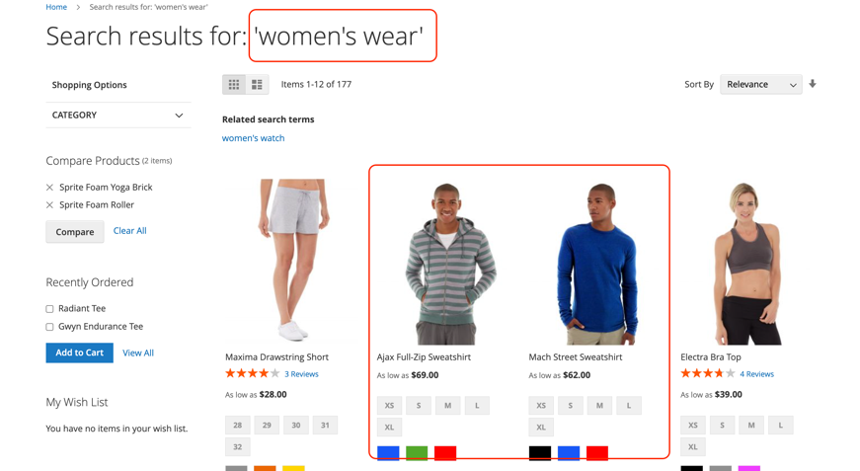
BUG REPORT
ID Number |  | FBR_014
Name |  | Search results for 'Women's wear"
Reporter |  | Ekaterina Pkhaladze
Submit Date |  | 2022-11-25
Summary |  | Cheking the search results for "women's wear". there should be only women's wear in result
URL |  | https://magento.softwaretestingboard.com/catalogsearch/result/?q=women%27s+wear
Screenshot
Platform |  | Mac
Operating System |  | mac OS Ventura 13.0.1
Browser |  | Chrome, Version 107.0.5304.87 (Official Build) (arm64)
Severity |  | low
Assigned to
Priority

Description
Cheking the search results for "women's wear". there should be only women's wear in result

Steps to reproduce
1 | Go to URL (search results for "women's wear")
2 | Check the results

Expected Result
only women's wear should be in result

Actual Result
there are some men's wear products in search results

Notes

FBR_015
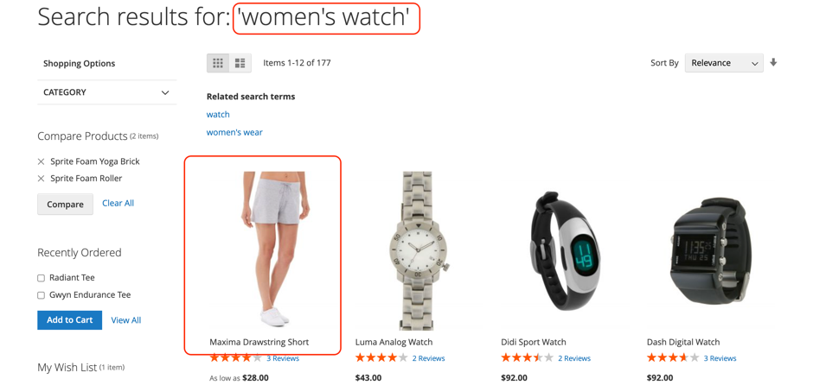
BUG REPORT
ID Number |  | FBR_015
Name |  | Search results for 'Women's watch"
Reporter |  | Ekaterina Pkhaladze
Submit Date |  | 2022-11-25
Summary |  | Cheking the search results for "women's watch". there should be only women's watch in result
URL |  | https://magento.softwaretestingboard.com/catalogsearch/result/?q=women%27s+watch
Screenshot
Platform |  | Mac
Operating System |  | mac OS Ventura 13.0.1
Browser |  | Chrome, Version 107.0.5304.87 (Official Build) (arm64)
Severity |  | low
Assigned to
Priority

Description
Cheking the search results for "women's watch. there should be only women's wear in result, but there is also woman's short

Steps to reproduce
1 | Go to URL (search results for "women's watch")
2 | Check the results

Expected Result
only women's watch should be in result

Actual Result
there is 1 woman's short in results

Notes

